Sheet1
Date: 2024-10-09
Target | MTD Dispatch | Remaining | Days Left | Per Day Requirement | Projected outcome at the end of the month
22500 | 6890 | 15610 | 19 | 821.6 | 23253.8

Order Inflow on 09th October 2024 (Including Mattresses & Non-Mattresses) = 2427
Ergo | Ortho | Antigravity | Wave | Total Mattresses Per Day
275 | 307 | 173 | 16 | 771
2784 | 3290 | 2064 | 81 | 8219 | <-- MTD Order Inflow

 | 09th October 2024 | MTD Dispatch | Average
Dispatched from Sakinaka - Nahid | 241 | 1895 | 236.9
Dispatched from Vasai | 7 | 643 | 80.4
Dispatched from Gurgaon - Shahzad | 148 | 1457 | 182.1
Dispatched from Bengaluru - Shahzad | 258 | 956 | 119.5
Dispatched from Hyderabad - Shahzad | 0 | 0 | 0
Dispatched from Badlapur - Shahzad | 103 | 169 | 21.1
Dispatched from Chennai - Shahzad | 14 | 159 | 19.9
Dispatched from Lucknow - Shahzad | 20 | 451 | 56.4
Total Dispatched | 791 | 5730 | 716.3 | [250, 100, 190, 52, 100, 30, 110, 68] | [466.3, 616.3, 526.3, 664.3, 616.3, 686.3, 606.3, 648.3]
Deficit | 30.6 | 16770 | 0 | 900 | 0

Item Category | Channel Category | Daily Dispatches | MTD Dispatches
Mattress | Amazon | 167 | 1295
 | Flipkart | 94 | 1208
 | Other Partners | 0 | 4
 | Shopify | 632 | 4383
Non-Mattress | Amazon | 0 | 21
 | Flipkart | 4 | 82
 | Other Partners | 0 | 0
 | Shopify | 243 | 2267

Total Pending Mattresses as on Date | 4589
Total Pending Pillows as on Date | 757
Total Pending Protectors as on Date | 909
Total Pending Bed Linen as on Date | 1453

Total Pending Orders in Unicommerce | 4431
Total Pending Order Items in Unicommerce | 7735
Total Pending Mattress Order Items in Unicommerce | 4589
SLA Breached | 4431
% of SLA Breached | 100.00%
Total Unverified Orders | 346

Facility | Pending Verification | Processing
 |  | Unfulfillable | Fulfillable | Packed | Ready to Ship | Manifested
FLO SAKINAKA | 52 | 814 | 880 | 5 | 34 | 0
FLO VASAI | 25 | 189 | 104 | 8 | 19 | 0
FLO GURGAON | 126 | 704 | 73 | 16 | 243 | 0
FLO BANGALORE | 25 | 379 | 25 | 4 | 4 | 0
FLO CHENNAI | 39 | 3 | 20 | 6 | 150 | 0
FLO HYDERABAD 2 | 43 | 130 | 1 | 6 | 49 | 0
FLO BADLAPUR | 0 | 0 | 0 | 1 | 0 | 0
FLO LUCKNOW | 52 | 318 | 38 | 2 | 0 | 0

RTS by Facility | Mattress | Non-Mattress | Total
RTS - Sakinaka | 34 | 0 | 34
RTS - Vasai | 19 | 0 | 19
RTS - Gurgaon | 243 | 1 | 244
RTS - Bangalore | 4 | 0 | 4
RTS - Chennai | 150 | 2 | 152
RTS - Hyderabad | 49 | 6 | 55
RTS - Badlapur | 0 | 0 | 0
RTS - Lucknow | 0 | 2 | 2
RTS Total - All Facilities | 499 | 11 | 510

Date | Day | Sakinaka | Vasai | Badlapur | Gurgaon | Bangalore | Hyderabad | Chennai | Lucknow | All Facilities
2024-10-01 | Tuesday | 52 | 35 | 0 | 379 | 230 | 343 | 2 | 103 | 1144
2024-10-02 | Wednesday | 65 | 73 | 0 | 0 | 0 | 0 | 4 | 0 | 142
2024-10-03 | Thursday | 481 | 102 | 0 | 46 | 46 | 14 | 11 | 119 | 819
2024-10-04 | Friday | 200 | 79 | 0 | 191 | 25 | 392 | 6 | 93 | 986
2024-10-05 | Saturday | 97 | 98 | 59 | 10 | 292 | 30 | 100 | 48 | 734
2024-10-06 | Sunday | 0 | 0 | 0 | 0 | 0 | 0 | 0 | 0 | 0
2024-10-07 | Monday | 330 | 158 | 0 | 67 | 38 | 12 | 11 | 50 | 666
2024-10-08 | Tuesday | 429 | 91 | 7 | 616 | 67 | 267 | 11 | 18 | 1506
2024-10-09 | Wednesday | 241 | 7 | 103 | 148 | 258 | 102 | 14 | 20 | 893
2024-10-10 | Thursday | 0 | 0 | 0 | 0 | 0 | 0 | 0 | 0 | 0
2024-10-11 | Friday | 0 | 0 | 0 | 0 | 0 | 0 | 0 | 0 | 0
2024-10-12 | Saturday | 0 | 0 | 0 | 0 | 0 | 0 | 0 | 0 | 0
2024-10-13 | Sunday | 0 | 0 | 0 | 0 | 0 | 0 | 0 | 0 | 0
2024-10-14 | Monday | 0 | 0 | 0 | 0 | 0 | 0 | 0 | 0 | 0
2024-10-15 | Tuesday | 0 | 0 | 0 | 0 | 0 | 0 | 0 | 0 | 0
2024-10-16 | Wednesday | 0 | 0 | 0 | 0 | 0 | 0 | 0 | 0 | 0
2024-10-17 | Thursday | 0 | 0 | 0 | 0 | 0 | 0 | 0 | 0 | 0
2024-10-18 | Friday | 0 | 0 | 0 | 0 | 0 | 0 | 0 | 0 | 0
2024-10-19 | Saturday | 0 | 0 | 0 | 0 | 0 | 0 | 0 | 0 | 0
2024-10-20 | Sunday | 0 | 0 | 0 | 0 | 0 | 0 | 0 | 0 | 0
2024-10-21 | Monday | 0 | 0 | 0 | 0 | 0 | 0 | 0 | 0 | 0
2024-10-22 | Tuesday | 0 | 0 | 0 | 0 | 0 | 0 | 0 | 0 | 0
2024-10-23 | Wednesday | 0 | 0 | 0 | 0 | 0 | 0 | 0 | 0 | 0
2024-10-24 | Thursday | 0 | 0 | 0 | 0 | 0 | 0 | 0 | 0 | 0
2024-10-25 | Friday | 0 | 0 | 0 | 0 | 0 | 0 | 0 | 0 | 0
2024-10-26 | Saturday | 0 | 0 | 0 | 0 | 0 | 0 | 0 | 0 | 0
2024-10-27 | Sunday | 0 | 0 | 0 | 0 | 0 | 0 | 0 | 0 | 0
2024-10-28 | Monday | 0 | 0 | 0 | 0 | 0 | 0 | 0 | 0 | 0
2024-10-29 | Tuesday | 0 | 0 | 0 | 0 | 0 | 0 | 0 | 0 | 0
2024-10-30 | Wednesday | 0 | 0 | 0 | 0 | 0 | 0 | 0 | 0 | 0
2024-10-31 | Thursday | 0 | 0 | 0 | 0 | 0 | 0 | 0 | 0 | 0
Grand Total |  | 1895 | 643 | 169 | 1457 | 956 | 1160 | 159 | 451 | 6890

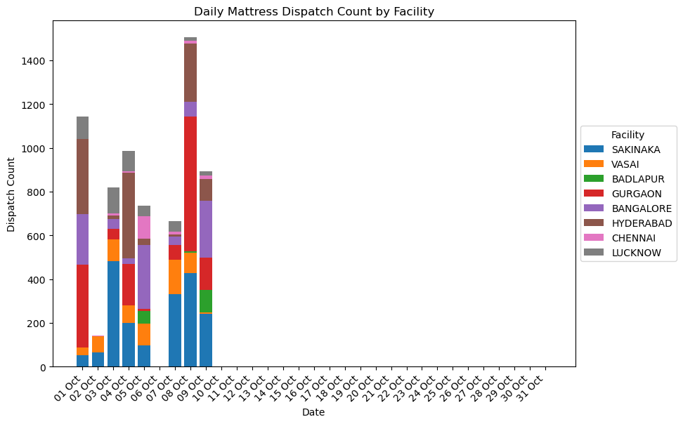

Oldest Undispatched Orders:

Order Date | Display Order Code | Sale Order Item Code | Item SKU Code | Sale Order Item Status | Shipping Package Status Code | Payment | Facility | Comments
2024-09-10 | 218748 | 14740849295522 | AGS7842-5 | FULFILLABLE | PACKED | COD | FLO SAKINAKA
2024-09-11 | 192927 | SO22704 -1 | ACP | FULFILLABLE | CREATED | Prepaid | FLO SAKINAKA
2024-09-12 | 211418 | SO22697 -1 | FESK-S2 | CREATED |  | Prepaid | FLO SAKINAKA
2024-09-12 | 219816 | 14750196465826 | OQ8460 | FULFILLABLE | PACKED | COD | FLO SAKINAKA
2024-09-13 | 219824 | 14750253121698 | ES7230 | FULFILLABLE | PACKED | COD | FLO VASAI
2024-09-14 | 218242 | SO22941 -1 | OK7872-8 | CREATED |  | Prepaid | FLO SAKINAKA
2024-09-16 | 221015 | 14761891692706 | OS7230 | FULFILLABLE | PACKED | COD | FLO LUCKNOW
2024-09-22 | 223171 | 14790293225634 | AGS7848-7 | UNFULFILLABLE |  | COD | FLO GURGAON
2024-09-22 | 223180 | 14790357844130 | AGK7872-7 | FULFILLABLE | PACKED | COD | FLO GURGAON
2024-09-23 | 223578 | 14797380616354 | AGK8478-9 | UNFULFILLABLE |  | COD | FLO VASAI
2024-09-23 | 223757 | 14799614181538 | AGS7842-7 | UNFULFILLABLE |  | COD | FLO GURGAON
2024-09-24 | SO22291 | SO23278 -2 | ESPK8472-8 | UNFULFILLABLE |  | Prepaid | FLO VASAI
2024-09-24 | 224166 | 14807563239586 | OK8472-10 | FULFILLABLE | PACKED | Prepaid | FLO GURGAON
2024-09-25 | 224199 | 14808428839074 | AGS7242-7 | UNFULFILLABLE |  | Prepaid | FLO GURGAON
2024-09-25 | 224308 | 14812245852322 | AGS7242-5 | FULFILLABLE | CREATED | Prepaid | FLO VASAI
2024-09-25 | 224309 | 14812266135714-0 | AGS7548-5 | UNFULFILLABLE |  | Prepaid | FLO BANGALORE
2024-09-25 | 224309 | 14812266135714-1 | AGS7548-5 | UNFULFILLABLE |  | Prepaid | FLO BANGALORE
2024-09-25 | 224461 | 14817781448866 | OK7872 | FULFILLABLE | READY_TO_SHIP | COD | FLO VASAI
2024-09-27 | 225240 | 14826816372898 | EK7272-8 | FULFILLABLE | PACKED | COD | FLO BANGALORE
2024-09-27 | 225241 | 14826818502818 | AGK7272-9 | FULFILLABLE | PACKED | Prepaid | FLO BANGALORE
2024-09-27 | 225267 | 14827241570466 | AGS7548-9 | UNFULFILLABLE |  | Prepaid | FLO BANGALORE
2024-09-27 | 225426 | 14829594443938 | AGS7230-7 | FULFILLABLE | PACKED | Prepaid | FLO HYDERABAD 2
2024-09-28 | 225720 | 14832044376226 | EK7872-8 | CREATED |  | COD | FLO HYDERABAD 2
2024-09-28 | 225919 | 14833518117026-0 | AGS7242-7 | UNFULFILLABLE |  | COD | FLO LUCKNOW
2024-09-28 | 225919 | 14833518117026-1 | AGS7242-7 | UNFULFILLABLE |  | COD | FLO LUCKNOW
2024-09-28 | 212291 | SO23689 -1 | FAVMP7230 | FULFILLABLE | PACKED | Prepaid | FLO LUCKNOW
2024-09-29 | 226288 | 14835408142498 | EK7270-4 | UNFULFILLABLE |  | Prepaid | FLO LUCKNOW
2024-09-29 | 226508 | 14837203304610 | EK7272-8 | FULFILLABLE | PACKED | COD | FLO HYDERABAD 2
2024-09-29 | 226693 | 14837998125218 | EQ7260-8 | FULFILLABLE | PACKED | COD | FLO HYDERABAD 2
2024-09-29 | 226771 | 14838402777250 | FAVMPG7248 | FULFILLABLE | PACKED | Prepaid | FLO HYDERABAD 2
2024-09-30 | SO23697 | SO23697 -10-1 | FAP-EXSOF | UNFULFILLABLE |  | Prepaid | FLO BADLAPUR
2024-09-30 | SO23697 | SO23697 -10-2 | FAP-EXSOF | UNFULFILLABLE |  | Prepaid | FLO BADLAPUR
2024-09-30 | SO23697 | SO23697 -10-3 | FAP-EXSOF | UNFULFILLABLE |  | Prepaid | FLO BADLAPUR
2024-09-30 | SO23697 | SO23697 -10-4 | FAP-EXSOF | UNFULFILLABLE |  | Prepaid | FLO BADLAPUR
2024-09-30 | SO23697 | SO23697 -10-0 | FAP-EXSOF | UNFULFILLABLE |  | Prepaid | FLO BADLAPUR
2024-09-30 | OD432456574822497100 | 432456574822497101-1 | OQ7860-8 | FULFILLABLE | CREATED | COD | FLO CHENNAI
2024-10-01 | 227902 | 14844419768482 | OQ7260 | FULFILLABLE | PACKED | COD | FLO CHENNAI
2024-10-02 | 228202 | 14846739972258 | EQ7560 | FULFILLABLE | READY_TO_SHIP | COD | FLO CHENNAI
2024-10-02 | 228205 | 14846742495394 | OK7872-8 | FULFILLABLE | PACKED | Prepaid | FLO CHENNAI
2024-10-04 | OD432489298743286100 | 432489298743286101-1 | EK7872 | FULFILLABLE | CREATED | Prepaid | FLO CHENNAI

